Screens - TA1 - TC1

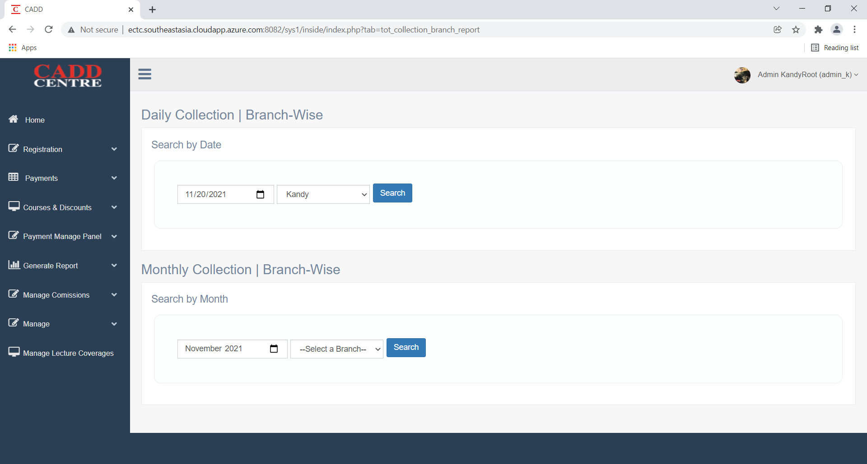
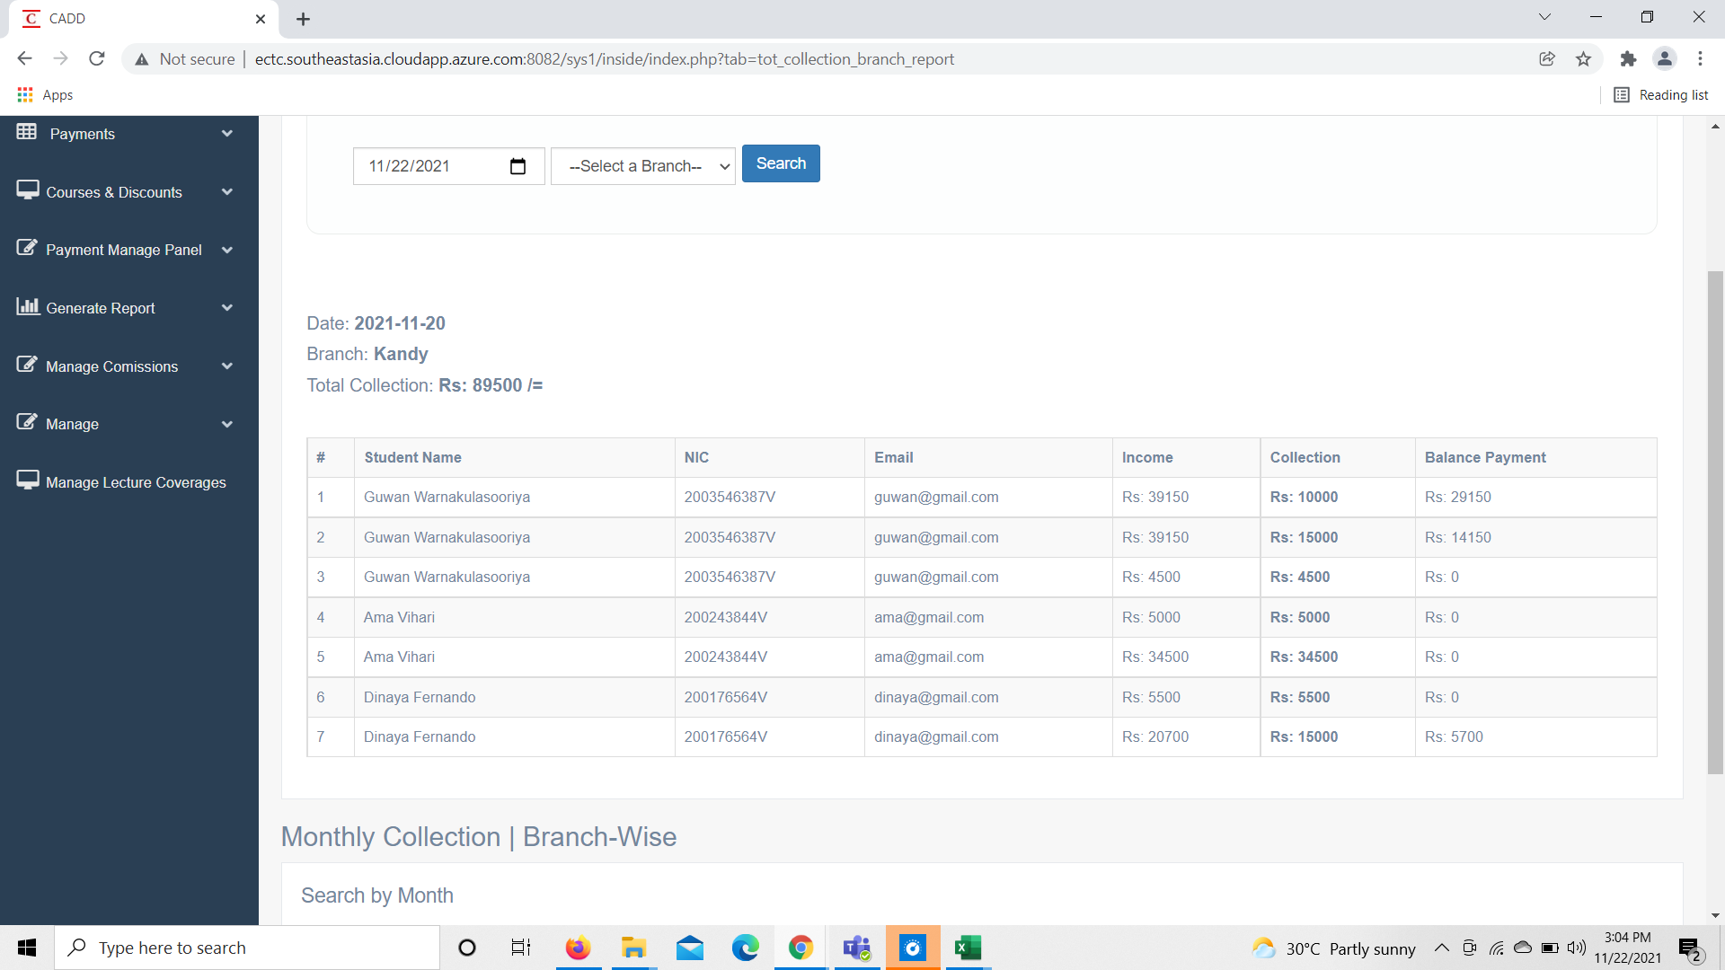
1. Branch wise total collection report

Screens | Test Results
Test case 1
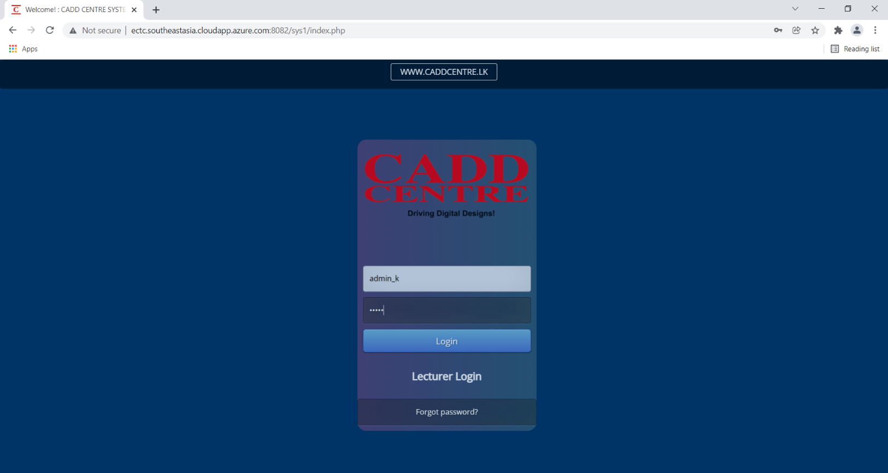 | Pass

Screens - TA1 - TC2

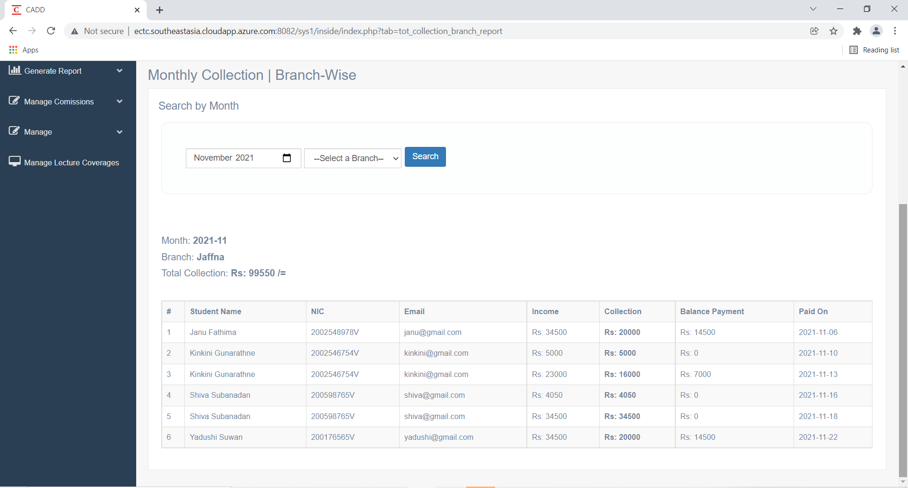
1. Branch wise total collection report

Screens | Test Results
Test case 2
 | Pass

Screens - TA1 - TC3
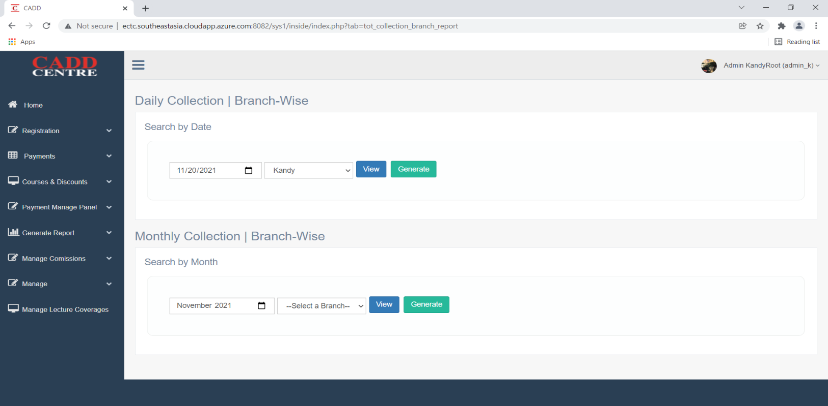
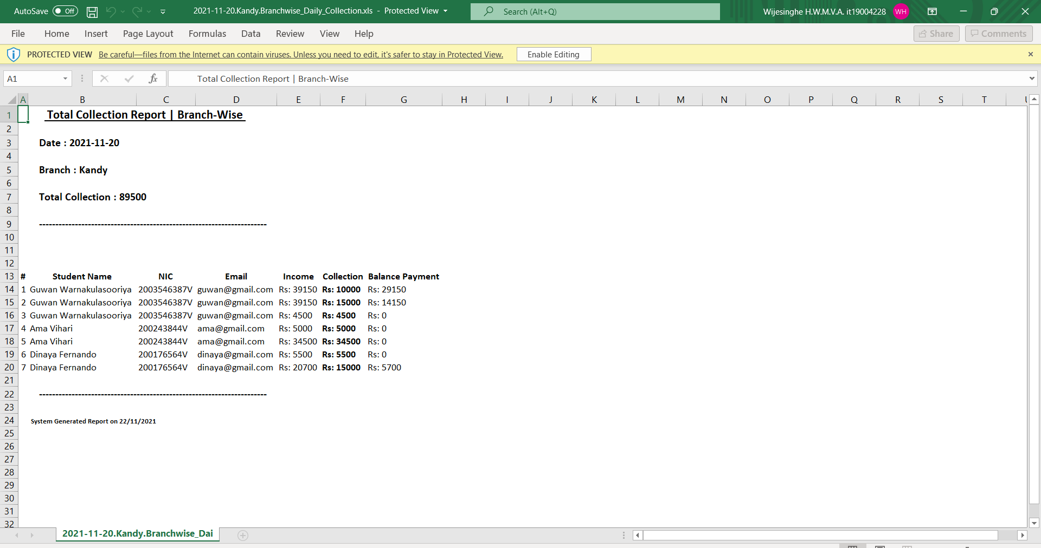
1. Branch wise total collection report

Screens | Test Results
Test case 3
 | Pass

Screens - TA1 - TC4
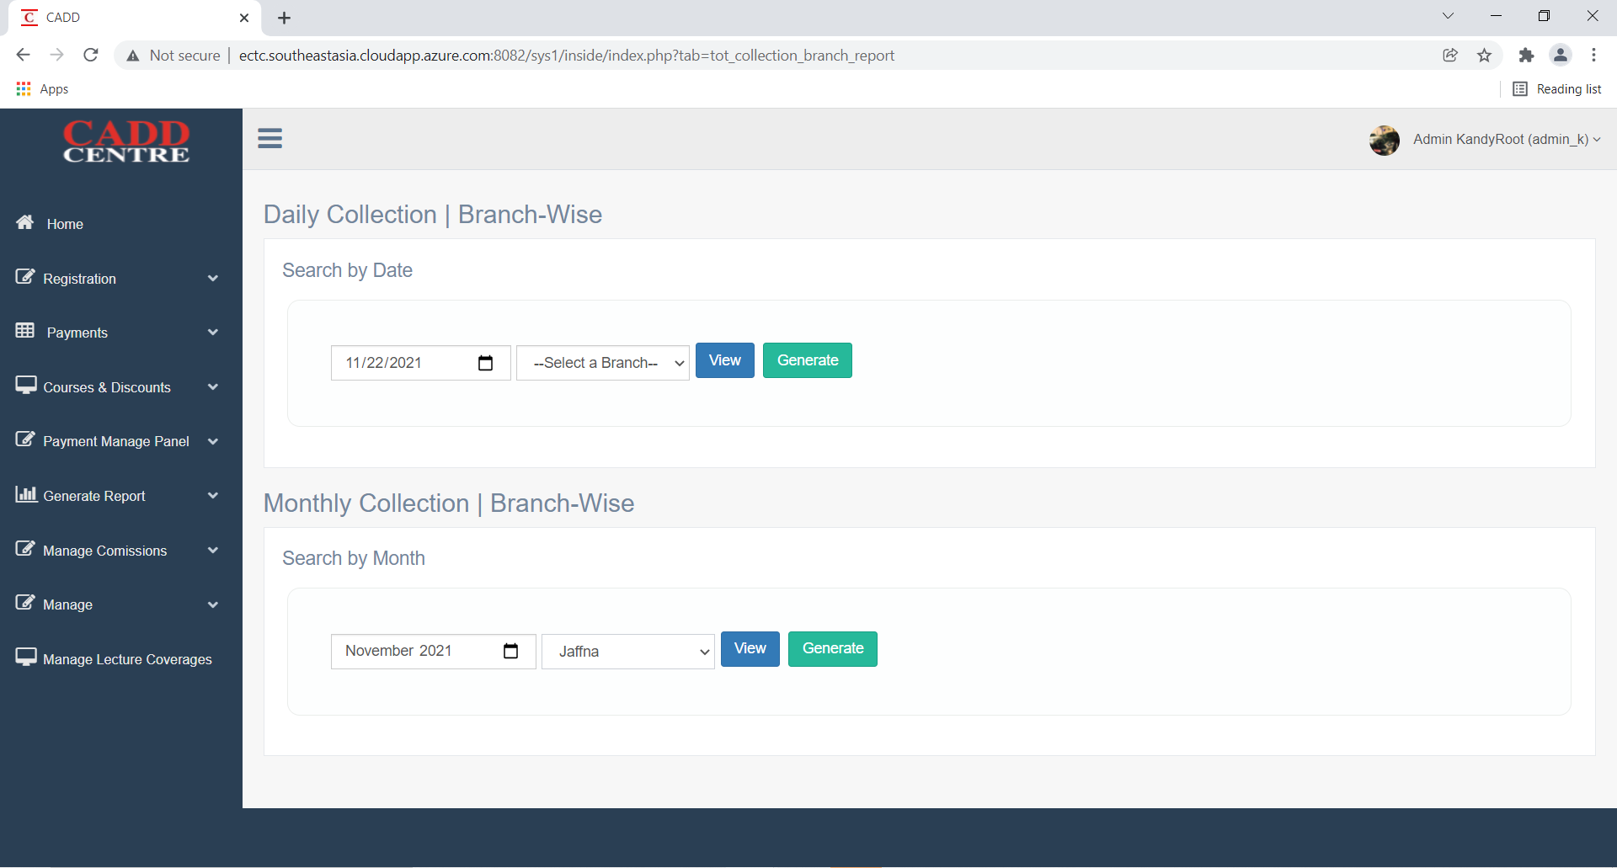
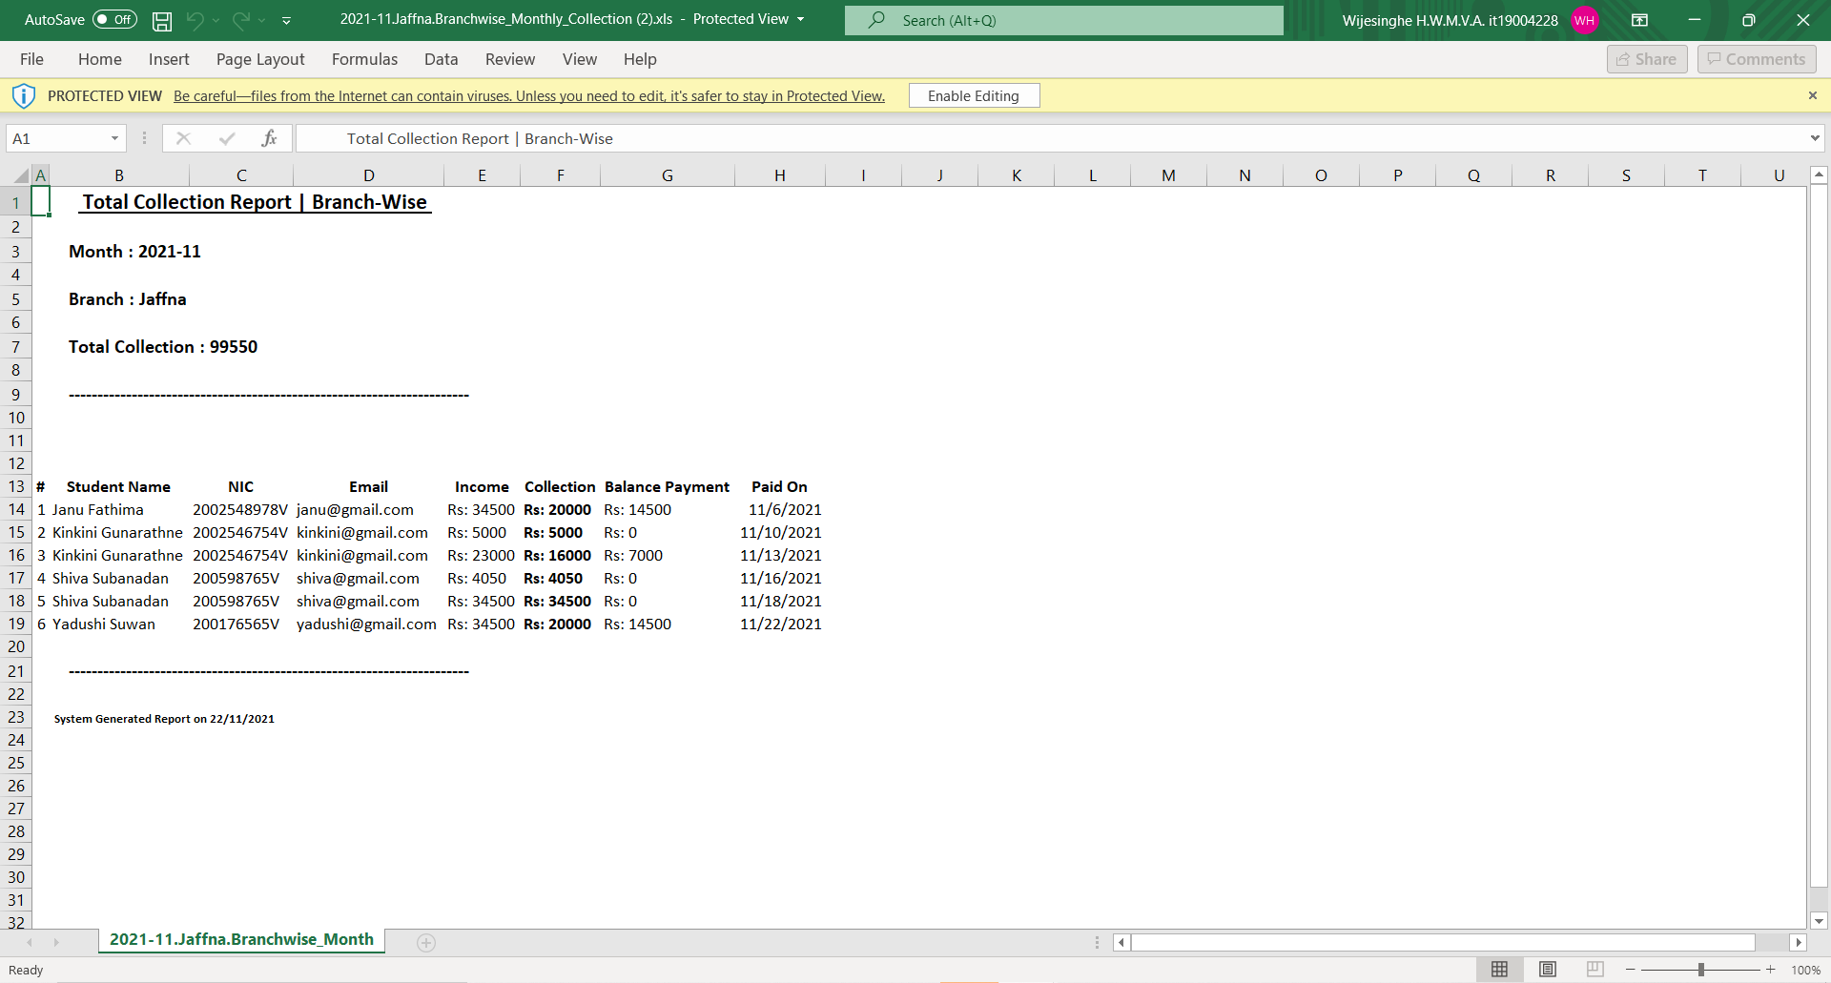
1. Branch wise total collection report

Screens | Test Results
Test case 4
 | Pass

